Widen Lane - Urban
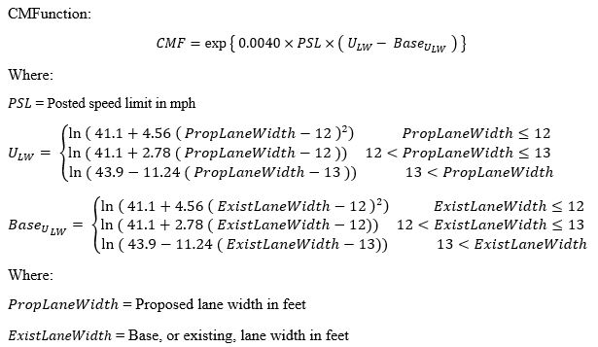
Inputs
Existing Lane Width: |  | Feet
Proposed Lane Width: |  | Feet | U-LW | 6.5478465405 | Prop <= 12
Posted Speed Limit: |  | MPH | U-LW | 2.0464016876 | 12 < Prop <= 13
 |  |  | U-LW | 5.2471293298 | 13 < Prop
CMF: | 1.00 |  | BU-LW | 6.5478465405 | Exist <= 12
 |  |  | BU-LW | 2.0464016876 | 12 < Exist <= 13
 |  |  | BU-LW | 5.2471293298 | 13 < Exist

 |  |  | U-LW | 6.5478465405
 |  |  | BU-LW | 6.5478465405

 |  |  |  |  |  | http://www.cmfclearinghouse.org/detail.cfm?facid=8693

RHR
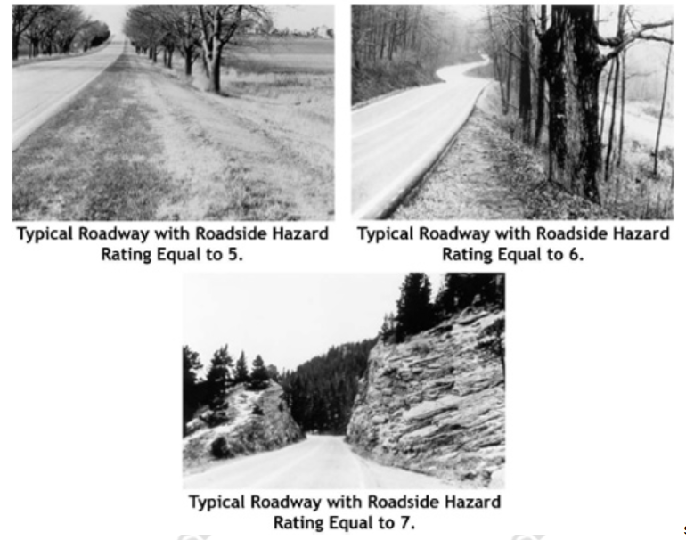
Inputs |  | RHR | Description
Existing Roadside Hazard Rating: | 4 | 1 | Wide clear zones greater than or equal to 30 ft from the pavement edgeline; sideslope flatter than 1:4; recoverable
Proposed Roadside Hazard Rating: | 3 | 2 | Clear zone between 20 and 25 feet from pavement edgeline; sideslope about 1:4; recoverable
 |  | 3 | Clear zone about 10 feet from pavement edgeline; sideslope about 1:3 or 1:4; rough roadside surface; marginally recoverable
Targeted CMF for Roadway Departure Crashes: | 0.92 | 4 | Clear zone between 5 to 10 feet from pavement edgeline; sideslope about 1:3 or 1:4; may have guardrail (6.5 feet from pavement edgeline); may have exposed trees, poles, or other objects (about 10 ft from pavement edgeline); marinally forgiving, but increased chance of a reportable roadside collision
 |  | 5 | Clear zone between 5 to 10 feet from pavement edgeline; sideslope about 1:3; may have guardrail (0 to 5 feet from pavement edgeline); may have rigid obstacles or embankment within 6.5 to 10 feet of pavement egeline; virtually non-recoverable
 |  | 6 | Clear zone less than or equal to 5 feet; sideslope about 1:2; no guardrail; exposed rigid obstacles within 0 to 6.5 feet of the pavement edgeline; non-recoverable
 |  | 7 | Clear zone less than or equal to 5 feet; sideslope 1:2 or steeper; cliff or vertical rock cut; no guardrail; non-recoverable with high likelihood of severe injuries from roadside collision

 |  | For more information, please visit:
 |  | https://safety.fhwa.dot.gov/tools/data_tools/mirereport/67.cfm
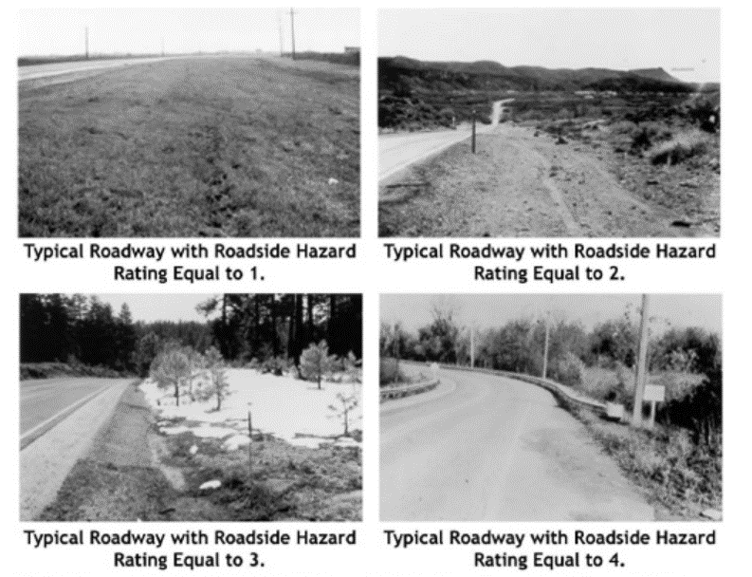
 |  |  |  | CMF for Roadway Departure Crashes
 |  |  |  | CMF, Improved by 1 | CMF, Improved by 2 | CMF, Improved by 3 | CMF, Improved by 4 | CMF, Improved by 5 | CMF, Improved by 6
 |  |  |  | 0.92 | 0.83 | 0.76 | 0.69 | 0.62 | 0.56

 |  |  |  | Improved By: | Targeted CMF
 |  |  |  | 1 | 0.92
 |  |  |  | 2 | 0.83
 |  |  |  | 3 | 0.76
 |  |  |  | 4 | 0.69
 |  |  |  | 5 | 0.62
 |  |  |  | 6 | 0.56

Driveway Density
Inputs |  |  |  | SOURCES: |  | Dropdown:
Number of Lanes: |  |  |  | 2-lane road: HSM |  | 2
AADT: |  | Vehicles per Day | Note: only required for 2-lane road calculations |  |  | 4
Existing Conditions Number of Driveways: |  |  |  |  |  | 6
Proposed Conditions Number of Driveways:
Segment Length: | 1000 | Feet | Note: minimum of 1000 feet required

CMF: | 1.000

 |  |  |  | 4-lane road: Fitzpatrick, 2008 (CMF ID: 2249)
 |  |  |  | https://www.cmfclearinghouse.org/detail.php?facid=2249

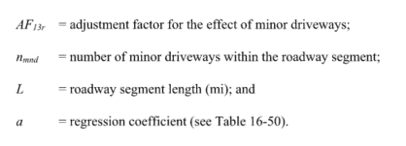
 |  |  |  | 6-lane road: HSM (minor driveway)

 |  |  |  | Existing Driveways Per Mile Calculation: | 0
 |  |  |  | Proposed Driveways Per Mile Calculation: | 0

