Guide to View Calculation Steps
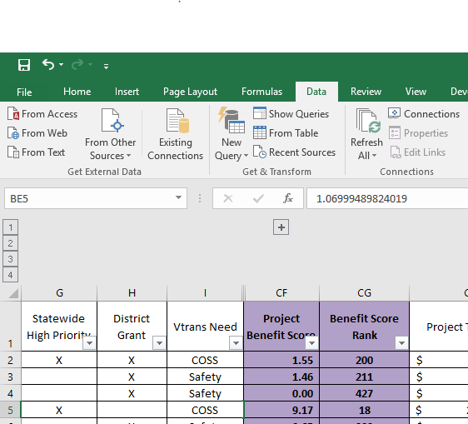

Use these 4 buttons to expand and collapse columns to view more or fewer calculation steps

Calculation steps are displayed as follows:

1) Displays basic application data and final project scores and rankings
2) Adds final scores for each factor area; these scores add up to Project Benefit Score (column CF)
3) Adds normalized (0-100 scale) scores for each measure; applying measure weighting and summing within factor area produces total factor score.
4) Adds all other columns, including raw measure values, measure weight, and factor weights

